RAVI JADEJA RAMANIYA
JAY RAMJI ENTERPRISE
AT- Maruti Chhaya Complex, Nr. Satkar Shopping.St. Xevier School Road, Baroi Road, Mundra-370421 Mo:- 84693 26901

 |  |  | TAX INVOICE

SOLD TO:

RAVI JADEJA
RAMANIYA

Invoice No. | Invoice Date |  |  | Terms of Payment*
JRE20262 | 2026-08-06 |  |  | Within 10 days clear payment

SR. NO. | DESCRIPTION OF GOODS |  |  |  |  | QTY | PRICE | AMOUNT
1 | AC WATER SERVICE |  |  |  |  | 1.00 | 1,300.00 | 1,300.00

 | Total |  |  |  |  | ₹ - |  | ₹ 1,300.00
Amount In Words:- |  |  |  |  |  |  | PARTS
ONE THUSEND THREE HUNDRED ONLY |  |  |  |  |  |  | LABOR
Bank Details:- |  |  |  |  |  |  | TAX
AC Name:- Mavani Jaykumar Kamleshbhai |  |  |  |  |  |  | TOTAL | ₹ 1,300.00
AC No:- 36960100002893 |  | PAN NO - GMKPM3060C
Branch:- Bank of Baroda - Gadhasisa
IFSC Code:- BARB0GADHSH

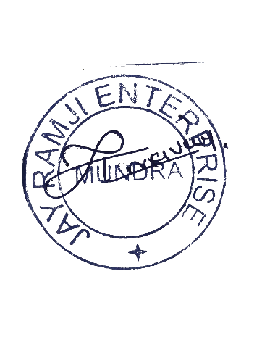

SERVICE SUPERVISED BY |  |  |  |  | SIGNED

